Sheet1
Part | Amount

COAX cable to croc clip, 1m | 1
Probe | 1
Banana cable red,1m | 1
Banana cable black | 2
Banana cable blue | 1
Bread Board | 1
Banana clamp-crokodile red | 2
Banana clamp-crokodile black | 2
Bread Board wires | 1

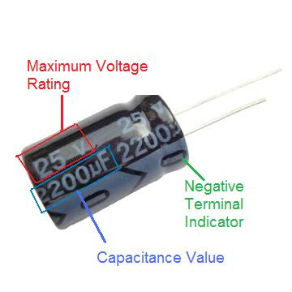
Capacitors
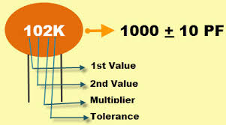
100pF | 2
470pF | 2
1nF | 2
4n7 | 2
10nF | 4
47nF | 2
100nF | 2
470nF | 2
1µ bip | 2
10µF, 63V | 2
100µF, 63V | 2
470µF, 63V | 1
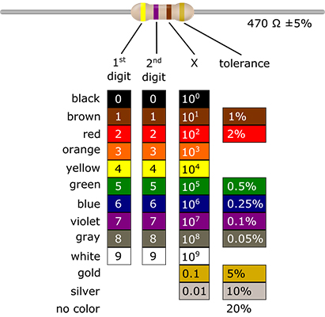

Resistors

1Ohm, 1W | 1
trimmer 10K | 2
12 Ohm | 1
100 Ohm | 4
220 Ohm | 4
330 Ohm | 8
470 Ohm | 4
680 Ohm | 4
1K | 6
2K2 | 4
3K3 | 4
4K7 | 4
6K8 | 4
10K | 6
22K | 4
33K | 4
47K | 4
68K | 4
100K | 6
220K | 4
470K | 4
1M | 4

zener 5V1, 1.3W | 1
1N4148 | 2
fast diode, 2A, 200V | 1
BC547B | 4
BD139 | 1
TL082 | 2
MCP6281 | 2
LED's 3mm | 8

